WE05 Form
 Thermowell Wake Frequency Calculation Form

Reference |  | All Process Conditions MUST Be Provided To Perform Calculations

Tag Number | Burns Engineering Model Number |  | Process Fluid/Gas | Temperature (°F) | Pressure (psi) | Velocity (ft/s)* | Density (lb/ft3) | Viscosity (cP) | Shielded Length Lo (in.)**

*If velocity is unknown, please provide the following instead: Max flow in lbs/hr or GPM, and Line I.D. Do not provide SCFM, the flow rate at process conditions is required.
Calculations performed according to ASME PTC 19.3 TW 2016.
**Shielded Length Lo per the images below. If left blank, calculation will use Lo value of zero inches.
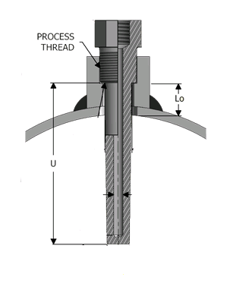
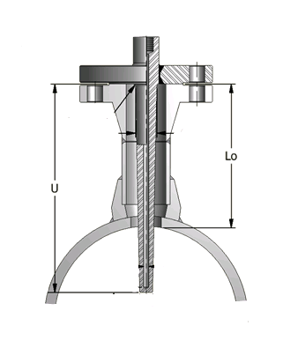
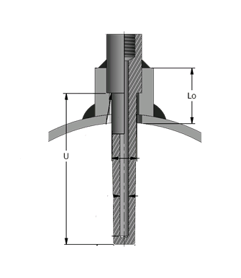

© 2019 Burns Engineering, Inc. |  |  |  |  |  |  |  | Revision Date: 12/23/19

